Sheet1
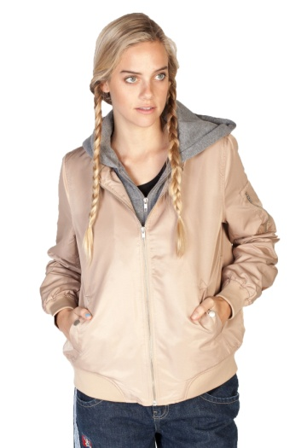
Name | X-Small | Small | Medium | Large | X-Large | XX-Large | XXX-Large | Total
Hooded Bomber Jacket- Taupe |  | 264 | 189 | 110 |  |  |  | 563

 |  |  |  |  |  |  |  |  | Grand Total: | 3,251

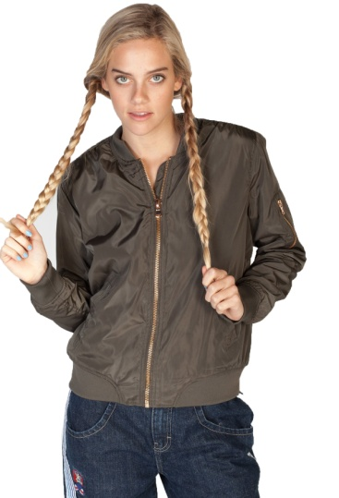

Sherpa Lined Ruched Bomber Jacket- Olive |  |  | 19 | 25 | 9 |  |  | 53

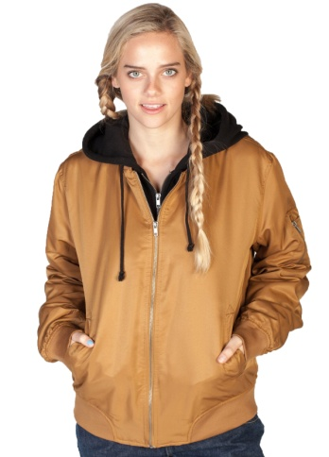

Hooded Bomber Jacket- Khaki |  | 48 | 60 | 75 | 25 |  |  | 208

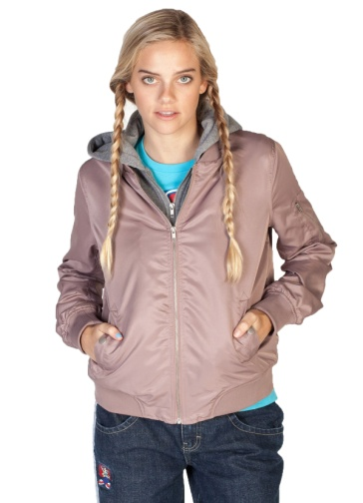

Hooded Bomber Jacket- Lavender |  | 99 | 78 | 6 |  |  |  | 183

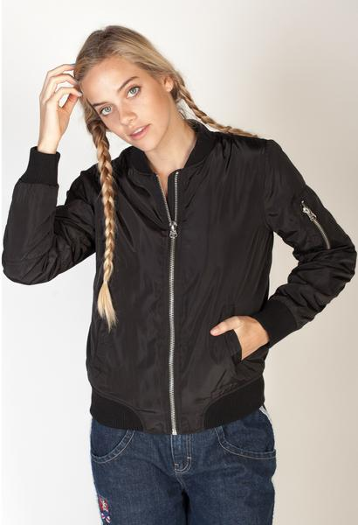

Padded Bomber Jacket-Black |  |  | 3 | 29 | 10 |  |  | 42

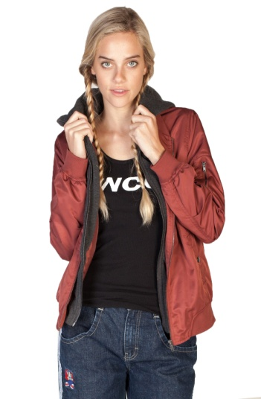

Hooded Bomber Jacket- Rose |  | 123 | 75 | 47 |  |  |  | 245

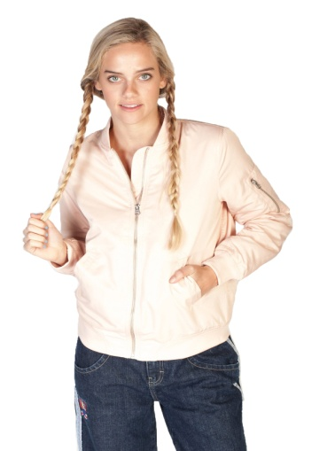

Ruched Bomber Jacket- Pink |  |  | 83 | 43 | 27 |  |  | 153

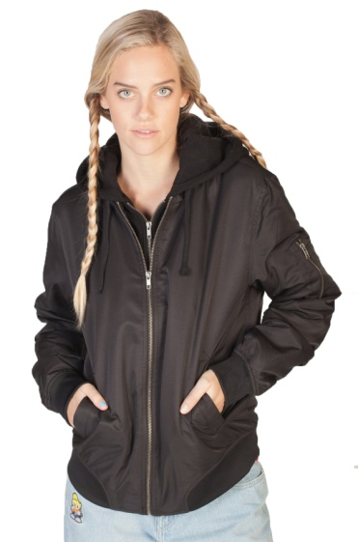

Hooded Bomber Jacket- Black |  |  | 60 | 114 | 13 |  |  | 187

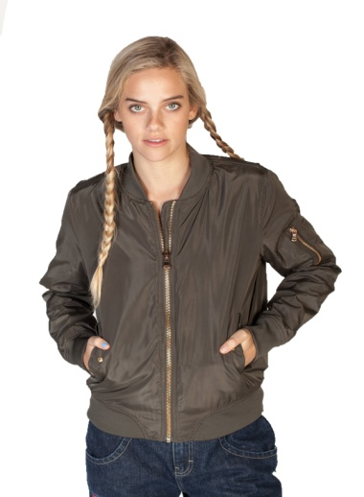

Padded Bomber Jacket-Olive |  |  | 39 | 5 | 18 |  |  | 62

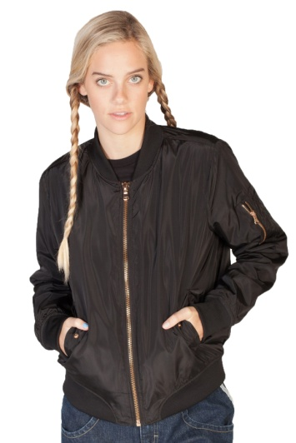

Sherpa Lined Ruched Bomber Jacket- Black |  |  | 21 | 21 | 5 |  |  | 47

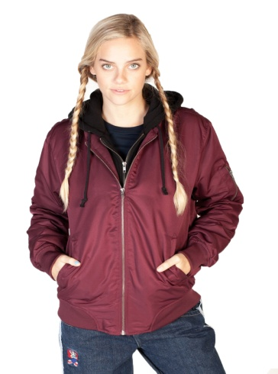

Hooded Bomber Jacket- Burgundy | 21 | 163 | 203 | 131 | 37 |  |  | 555

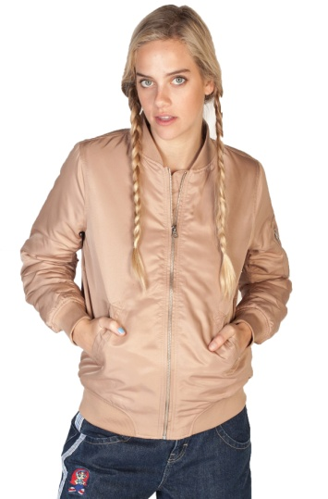

Ruched Bomber Jacket- Camel |  |  | 23 | 15 | 3 |  |  | 41

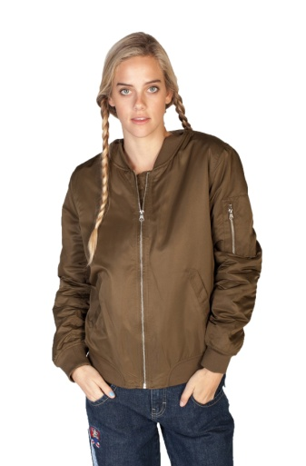

Ruched Bomber Jacket- Olive |  | 15 | 142 | 84 | 7 |  |  | 248

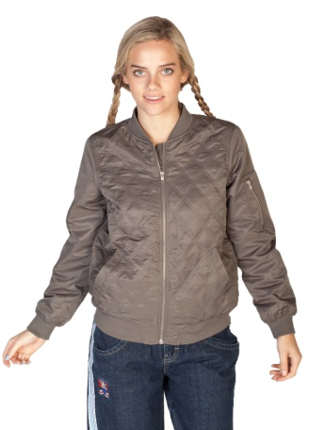
Satin Quilted Bomber Jacket- Gray |  | 31 | 14 |  |  |  |  | 45

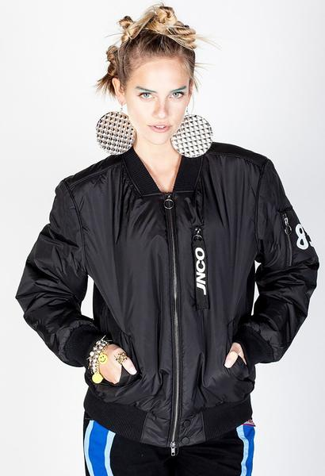

Phantom - Bomber Jacket- Black |  |  | 31 | 27 | 51 | 43 | 13 | 165

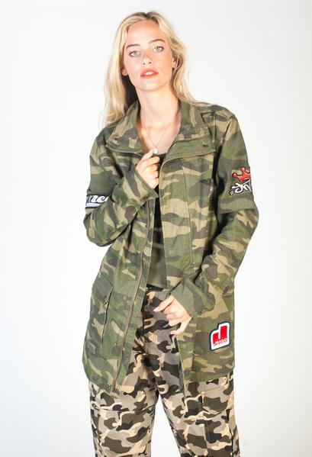

JNCO Lieutenant Camo Jacket |  | 36 | 42 | 116 | 112 | 115 | 33 | 454

